FIG
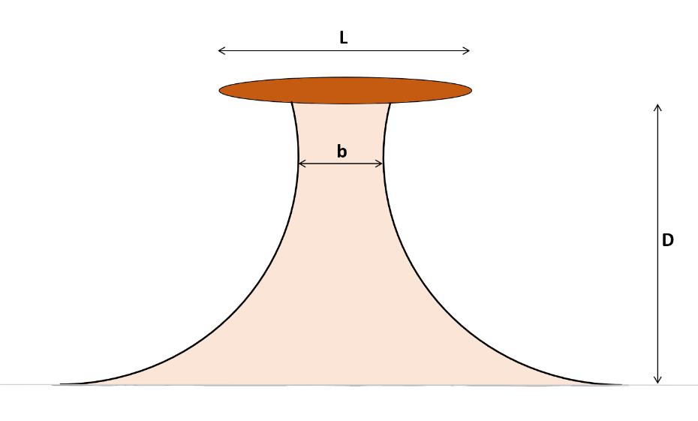
A tombolo consists of two sand spits connecting the mainland to an offshore island.
Behind a small island, both sand spits will join, possibly leaving a triangular marsh area near the coastline.
A large island may generate separate sand spits and a large marsh area (Giens, Orbetello).
A tombolo can exist only if:
 | a) the initial coastline is a sandy beach (or shingle, pebbles),
 | b) wave crests approach the initial coastline with an angle smaller than 45°,
 | c) an island (or obstacle) generates an area sheltered from waves,
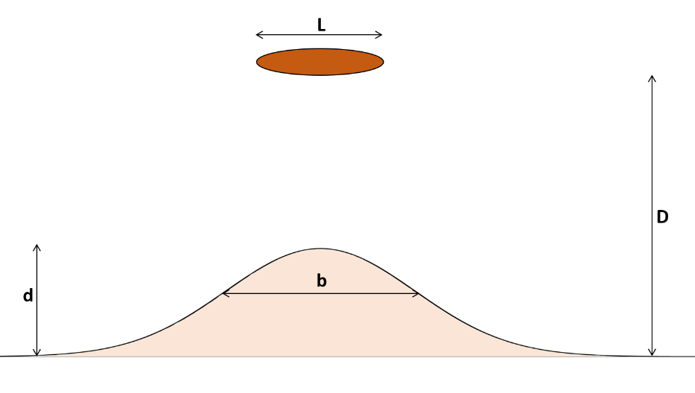
 | d) no currents flow between the island and the initial coastline.
A rocky cape is obviously not a tombolo as it does not have a sandy isthmus.
The beach of a tombolo follows a logarithmic spiral because of wave diffraction and refraction.

A sand spit is generated by wave crests approaching the coastline at an angle larger than 45°;
such a sand spit may encounter an island and this will look like a tombolo, but it is not because there is no wave diffraction (Cadiz).

Note 81 sites out of 125 were ancient settlements (65%)

Each tombolo is geometrically defined by L/D which is a constant, as long as the sea level is constant.

Let's first have a look at the relationships between L and D, and b and D:
 |  |  |  |  |  |  |  | zoom 1 |  |  |  | zoom 2
Natural Tombolos
 | L & D
150 | 200
1300 | 1700
450 | 550
160 | 190
850 | 1000
115 | 130
80 | 90
330 | 330
60 | 60
1000 | 1000
215 | 200
155 | 140
500 | 440
135 | 115
165 | 135
175 | 140
700 | 500
800 | 560
160 | 110
7300 | 5000
480 | 300
1300 | 760
350 | 200
900 | 500
190 | 100
11600 | 5500
650 | 300
420 | 190
900 | 400
190 | 80
740 | 300
3000 | 1200
2500 | 800
3600 | 1000
400 | 110
1500 | 400
730 | 150
2500 | 500
900 | 130
30000 | 1200
1200 | 1800
5800 | 9000
8500 | 12000
450 | 600
9000 | 11000
400 | 450
450 | 500
220 | 230
700 | 700
150 | 150
...
Natural Tombolos
 | L & D
150 | 200
1300 | 1700
450 | 550
160 | 190
850 | 1000
115 | 130
80 | 90
330 | 330
60 | 60
1000 | 1000
215 | 200
155 | 140
500 | 440
135 | 115
165 | 135
175 | 140
700 | 500
800 | 560
160 | 110
7300 | 5000
480 | 300
1300 | 760
350 | 200
900 | 500
190 | 100
11600 | 5500
650 | 300
420 | 190
900 | 400
190 | 80
740 | 300
3000 | 1200
2500 | 800
3600 | 1000
400 | 110
1500 | 400
730 | 150
2500 | 500
900 | 130
30000 | 1200
1200 | 1800
5800 | 9000
8500 | 12000
450 | 600
9000 | 11000
400 | 450
450 | 500
220 | 230
700 | 700
150 | 150
...
Natural Tombolos
 | L & D |  | L/D=2 |  | L/D=1
150 | 200 | 0 | 0 | 0 | 0
1300 | 1700 | 1000 | 500 | 1000 | 1000
450 | 550
160 | 190
850 | 1000
115 | 130
80 | 90
330 | 330
60 | 60
1000 | 1000
215 | 200
155 | 140
500 | 440
135 | 115
165 | 135
175 | 140
700 | 500
800 | 560
160 | 110
7300 | 5000
480 | 300
1300 | 760
350 | 200
900 | 500
190 | 100
11600 | 5500
650 | 300
420 | 190
900 | 400
190 | 80
740 | 300
3000 | 1200
2500 | 800
3600 | 1000
400 | 110
1500 | 400
730 | 150
2500 | 500
900 | 130
30000 | 1200
1200 | 1800
5800 | 9000
8500 | 12000
450 | 600
9000 | 11000
400 | 450
450 | 500
220 | 230
700 | 700
150 | 150
...

 |  |  |  |  |  |  |  |  |  |  |  | X | Y
 |  |  |  |  |  |  |  |  |  |  |  | 0 | 0
 |  |  |  |  |  |  |  |  |  |  |  | 1000 | 500
 |  |  |  |  |  |  |  |  |  |  |  | 1000 | 1000
 |  |  |  |  |  |  |  |  |  |  |  | 800 | 1000

 |  |  |  |  |  |  |  |  |  | tags: b in meters
 |  |  |  |  |  |  |  |  |  | Very schematically, L/D = 1 to 2, with much scatter

Natural Tombolos
 | L & D
150 | 60
1300 | 530
450 | 50
160 | 65
850 | 300
115 | 15
80 | 5
330 | 30
60 | 10
1000 | 800
215 | 15
155 | 15
500 | 125
135 | 10
165 | 10
175 | 45
700 | 320
800 | 260
160 | 5
7300 | 1350
480 | 100
1300 | 90
350 | 35
900 | 250
190 | 90
11600 | 4800
650 | 100
420 | 60
900 | 80
190 | 35
740 | 180
3000 | 700
2500 | 450
3600 | 1250
400 | 25
1500 | 125
730 | 60
2500 | 350
900 | 50
30000 | 1700
1200 | 580
5800 | 5500
8500 | 5100
450 | 300
9000 | 6100
400 | 300
450 | 300
220 | 160
700 | 600
150 | 100
...
Natural Tombolos
 | L & D |  | b/L=0.05 |  | b/L=0.3 |  | b/L=0.7
150 | 60 | 0 | 0 | 0 | 0 | 0 | 0
1300 | 530 | 1000 | 50 | 1000 | 300 | 714 | 500
450 | 50
160 | 65
850 | 300
115 | 15
80 | 5
330 | 30
60 | 10
1000 | 800
215 | 15
155 | 15
500 | 125
135 | 10
165 | 10
175 | 45
700 | 320
800 | 260
160 | 5
7300 | 1350
480 | 100
1300 | 90
350 | 35
900 | 250
190 | 90
11600 | 4800
650 | 100
420 | 60
900 | 80
190 | 35
740 | 180
3000 | 700
2500 | 450
3600 | 1250
400 | 25
1500 | 125
730 | 60
2500 | 350
900 | 50
30000 | 1700
1200 | 580
5800 | 5500
8500 | 5100
450 | 300
9000 | 6100
400 | 300
450 | 300
220 | 160
700 | 600
150 | 100
...
 |  |  |  |  |  |  | zoom 1 |  |  |  |  | zoom 2
Natural Tombolos
 | L & D
150 | 60
1300 | 530
450 | 50
160 | 65
850 | 300
115 | 15
80 | 5
330 | 30
60 | 10
1000 | 800
215 | 15
155 | 15
500 | 125
135 | 10
165 | 10
175 | 45
700 | 320
800 | 260
160 | 5
7300 | 1350
480 | 100
1300 | 90
350 | 35
900 | 250
190 | 90
11600 | 4800
650 | 100
420 | 60
900 | 80
190 | 35
740 | 180
3000 | 700
2500 | 450
3600 | 1250
400 | 25
1500 | 125
730 | 60
2500 | 350
900 | 50
30000 | 1700
1200 | 580
5800 | 5500
8500 | 5100
450 | 300
9000 | 6100
400 | 300
450 | 300
220 | 160
700 | 600
150 | 100
...
Natural Tombolos
 | L & D |  | b/L=0.05 |  | b/L=0.3 |  | b/L=0.7
150 | 60 | 0 | 0 | 0 | 0 | 0 | 0
1300 | 530 | 1000 | 50 | 1000 | 300 | 714 | 500
450 | 50
160 | 65
850 | 300
115 | 15
80 | 5
330 | 30
60 | 10
1000 | 800
215 | 15
155 | 15
500 | 125
135 | 10
165 | 10
175 | 45
700 | 320
800 | 260
160 | 5
7300 | 1350
480 | 100
1300 | 90
350 | 35
900 | 250
190 | 90
11600 | 4800
650 | 100
420 | 60
900 | 80
190 | 35
740 | 180
3000 | 700
2500 | 450
3600 | 1250
400 | 25
1500 | 125
730 | 60
2500 | 350
900 | 50
30000 | 1700
1200 | 580
5800 | 5500
8500 | 5100
450 | 300
9000 | 6100
400 | 300
450 | 300
220 | 160
700 | 600
150 | 100
...

 |  |  |  |  |  |  |  |  |  |  |  | X | Y
 |  |  |  |  |  |  |  |  |  |  |  | 0 | 0
 |  |  |  |  |  |  |  |  |  |  |  | 1000 | 50
 |  |  |  |  |  |  |  |  |  |  |  | 1000 | 200
 |  |  |  |  |  |  |  |  |  |  |  | 1000 | 300
 |  |  |  |  |  |  |  |  |  |  |  | 1000 | 400
 |  |  |  |  |  |  |  |  |  |  |  | 1000 | 500
 |  |  |  |  |  |  |  |  |  |  |  | 714 | 500

 |  |  |  |  |  |  |  |  |  | tags: D in meters
 |  |  |  |  |  |  |  |  |  | say: L = a+b+a = b + 2a with a = f(waves)
 |  |  |  |  |  |  |  |  |  | then: L/D = b/D + 2a/D
Natural & Artificial Salients
 | Nat Salients (normal) |  | Nat Salients (weak) |  | Single artif det BW |  | Multiple artif det BW |  | L/D=0.65 |  | Single artif det BW (Khuong) |  | Multiple artif det BW (Khuong)
0.33 | 0.17 | 0.20 | 0.40 | 0.27 | 0.33 | 0.43 | 0.47 | 0 | 0.65 | 0.39 | 1.47 | 0.35 | 0.51
0.26 | 0.21 | 0.04 | 0.25 | 0.42 | 0.44 | 0.59 | 0.52 | 1 | 0.65 | 0.40 | 0.65 | 0.37 | 0.56
0.53 | 0.28 | 0.18 | 0.27 |  |  | 0.64 | 0.61 |  |  | 0.42 | 0.44 | 0.41 | 1.00
0.41 | 0.32 | 0.05 | 0.61 |  |  | 0.44 | 0.68 |  |  | 0.37 | 1.10 | 0.28 | 0.64
0.57 | 0.37 |  |  |  |  |  |  |  |  | 0.78 | 1.27 | 0.50 | 1.33
0.21 | 0.40 |  |  |  |  |  |  |  |  | 0.70 | 1.10 | 0.36 | 0.95
0.15 | 0.41 |  |  |  |  |  |  |  |  | 0.82 | 0.88 | 0.43 | 1.91
0.20 | 0.45 |  |  |  |  |  |  |  |  | 0.38 | 0.86 | 0.07 | 1.00
0.25 | 0.50 |  |  |  |  |  |  |  |  | 0.56 | 1.39 | 0.38 | 0.78
0.38 | 0.54 |  |  |  |  |  |  |  |  | 0.15 | 0.70 | 0.31 | 0.73
0.25 | 0.55 |  |  |  |  |  |  |  |  | 0.10 | 1.53 | 0.22 | 0.45
0.30 | 0.63 |  |  |  |  |  |  |  |  | 0.03 | 1.54 | 0.63 | 0.54
0.27 | 0.67 |  |  |  |  |  |  |  |  | 0.04 | 0.80 | 0.50 | 0.50
 |  |  |  |  |  |  |  |  |  | 0.11 | 0.60 | 0.32 | 0.48
 |  |  |  |  |  |  |  |  |  |  |  | 0.52 | 0.57
 |  |  |  |  |  |  |  |  |  |  |  | 0.34 | 0.55
 |  |  |  |  |  |  |  |  |  |  |  | 0.39 | 0.68
 |  |  |  |  |  |  |  |  |  |  |  | 0.50 | 0.70
 |  |  |  |  |  |  |  |  |  |  |  | 0.36 | 0.80
 |  |  |  |  |  |  |  |  |  |  |  | 0.27 | 0.45
 |  |  |  |  |  |  |  |  |  |  |  | 0.45 | 0.46
 |  |  |  |  |  |  |  |  |  |  |  | 0.26 | 0.60
 |  |  |  |  |  |  |  |  |  |  |  | 0.03 | 0.78
 |  |  |  |  |  |  |  |  |  |  |  | 0.01 | 0.38
 |  |  |  |  |  |  |  |  |  |  |  | 0.12 | 0.31
 |  |  |  |  |  |  |  |  |  |  |  | 0.25 | 0.48
 |  |  |  |  |  |  |  |  |  |  |  | 0.03 | 0.32
 |  |  |  |  |  |  |  |  |  |  |  | 0.02 | 0.27
Natural & Artificial Salients
 | Nat Salients (normal) |  | Nat Salients (weak) |  | Single artif det BW |  | Multiple artif det BW |  | L/D=0.65
0.17 | 0.33 | 0.40 | 0.20 | 0.33 | 0.27 | 0.47 | 0.43 | 0.65 | 0
0.21 | 0.26 | 0.25 | 0.04 | 0.44 | 0.42 | 0.52 | 0.59 | 0.65 | 1
0.28 | 0.53 | 0.27 | 0.18 |  |  | 0.61 | 0.64
0.32 | 0.41 | 0.61 | 0.05 |  |  | 0.68 | 0.44
0.37 | 0.57
0.40 | 0.21
0.41 | 0.15
0.45 | 0.20
0.50 | 0.25
0.54 | 0.38
0.55 | 0.25
0.63 | 0.30
0.67 | 0.27
Natural & Artificial Salients
 | Nat Salients (normal) |  | Nat Salients (weak) |  | Single artif det BW |  | Multiple artif det BW |  | L/D=0.65
0.17 | 0.33 | 0.40 | 0.20 | 0.33 | 0.27 | 0.47 | 0.43 | 0.65 | 0
0.21 | 0.26 | 0.25 | 0.04 | 0.44 | 0.42 | 0.52 | 0.59 | 0.65 | 1
0.28 | 0.53 | 0.27 | 0.18 |  |  | 0.61 | 0.64
0.32 | 0.41 | 0.61 | 0.05 |  |  | 0.68 | 0.44
0.37 | 0.57
0.40 | 0.21
0.41 | 0.15
0.45 | 0.20
0.50 | 0.25
0.54 | 0.38
0.55 | 0.25
0.63 | 0.30
0.67 | 0.27
 |  |  |  |  |  |  |  |  |  | Rosen (1982, fig. 8) gives: a/D = 0.33 L/D
 |  |  |  |  |  |  |  |  |  | thus: b = 0.33 L (hence, a = b) which is of course very schematic,
 |  |  |  |  |  |  |  |  |  |  | but in accordance with our data (with much scatter).
Natural Tombolos
 | Nat Tombolos (normal) |  | Nat Tombolos (fat) |  | Nat Tombolos (ombilical) |  | b/L = 1.0 |  | b/L = 0.5 |  | b/L = 0.25 |  | b/L = 0.15 |  | b/L = 0.05
0.30 | 0.75 | 0.32 | 0.67 | 0.00 | 0.65 | 0 | 0 | 0 | 0 | 0 | 0 | 0 | 0 | 0 | 0
0.31 | 0.76 | 0.61 | 0.64 | 0.01 | 0.65 | 2 | 2 | 2 | 4 | 2 | 8 | 1.5 | 10 | 0.5 | 10
0.09 | 0.82 | 0.43 | 0.71 | 0.00 | 0.68
0.34 | 0.84 | 0.50 | 0.75 | 0.01 | 0.70
0.30 | 0.85 | 0.55 | 0.82 | 0.00 | 0.81
0.12 | 0.88 | 0.67 | 0.89 | 0.03 | 0.94
0.06 | 0.89 | 0.60 | 0.90 | 0.03 | 1.00
0.09 | 1.00 | 0.70 | 0.96 | 0.05 | 1.05
0.17 | 1.00 | 0.86 | 1.00 | 0.04 | 1.14
0.80 | 1.00 | 0.67 | 1.00 | 0.00 | 1.20
0.08 | 1.08 | 0.58 | 1.08 | 0.05 | 1.20
0.11 | 1.11 | 0.90 | 1.20 | 0.05 | 1.50
0.28 | 1.14 | 0.71 | 1.21 | 0.01 | 1.67
0.09 | 1.17 | 1.07 | 1.36 | 0.13 | 2.45
0.07 | 1.22 | 1.03 | 1.48 | 0.03 | 3.60
0.32 | 1.25 | 1.00 | 1.50 | 0.30 | 7.40
0.64 | 1.40 | 1.25 | 1.55 | 0.43 | 9.33
0.46 | 1.43 | 1.33 | 1.85
0.05 | 1.45 | 2.60 | 6.20
0.27 | 1.46 | 5.15 | 6.75
0.33 | 1.60
0.12 | 1.71
0.18 | 1.75
0.50 | 1.80
0.90 | 1.90
0.87 | 2.11
0.33 | 2.17
0.32 | 2.21
0.20 | 2.25
0.44 | 2.38
0.60 | 2.47
0.58 | 2.50
0.56 | 3.13
1.25 | 3.60
0.23 | 3.64
0.31 | 3.75
0.40 | 4.87
0.70 | 5.00
0.38 | 6.92
1.42 | 25.00

 |  |  |  |  |  | Let's now have a look at a relationship between the dimensionless parameters L/D and b/D: again much scatter is found.
 |  |  |  |  |  | We can distinguish "fat" tombolos with b/L around 1,
 |  |  |  |  |  | and "umbilical" tombolos with b/L < 0.05.

 |  |  |  |  |  | x | fat: b/L = 0.5 to 1.0
 |  |  |  |  |  | o | normal: b/L = 0.05 to 0.5
 | Y | X | X |  |  | -- | umbilical: b/L = 0 to 0.05
 | L/D | b/D | b/L
 | 0 | 0 |  |  |  | We excluded Cyzicos (L/D = 25; b/D = 1.42; b/L = 0.06) which should have been a double tombolo
 | 1 | 1 | 1.00 |  |  | like Orbetello, but no waves (and no sediment?) for that happening.
 | 2 | 2 | 1.00
 | 2 | 1 | 0.50 |  |  | We also exluded Pavlopetri (L/D = 4; b/d = 0.50) from the list of natural salients, as it should be a tombolo,
 | 4 | 2 | 0.50 |  |  | but currents probably operate in the strait.
 | 2 | 0.5 | 0.25 |  |  | Pigeon islets is also excluded as it is a dotted line of islets with uncertain L
 | 8 | 2 | 0.25
 | 2 | 0.3 | 0.15
 | 10 | 1.5 | 0.15
Natural & Artificial Tombolos
 | Nat Tombolos (normal) |  | Nat Tombolos (fat) |  | Nat Tombolos (umbilical) |  | Single artif tombolos |  | Multiple artif tombolos |  | b/L = 1.0 |  | b/L = 0.5 |  | b/L = 0.25 |  | b/L = 0.15 |  | b/L = 0.05 |  | L/D=0.65
0.30 | 0.75 | 0.32 | 0.67 | 0.00 | 0.65 | 0.48 | 0.82 | 0.19 | 1.06 | 0 | 0 | 0 | 0 | 0 | 0 | 0 | 0 | 0 | 0 | 0 | 0.65
0.31 | 0.76 | 0.61 | 0.64 | 0.01 | 0.65 | 0.19 | 0.83 | 0.33 | 1.37 | 1 | 1 | 1 | 2 | 0.5 | 2 | 0.3 | 2 | 0.1 | 2 | 1 | 0.65
0.09 | 0.82 | 0.43 | 0.71 | 0.00 | 0.68 | 0.22 | 0.87 | 0.40 | 1.55
0.34 | 0.84 | 0.50 | 0.75 | 0.01 | 0.70 | 0.12 | 1.00 | 0.77 | 1.58
0.30 | 0.85 | 0.55 | 0.82 | 0.00 | 0.81 | 0.53 | 1.00
0.12 | 0.88 | 0.67 | 0.89 | 0.03 | 0.94 | 0.56 | 1.13
0.06 | 0.89 | 0.60 | 0.90 | 0.03 | 1.00 | 0.40 | 1.35
0.09 | 1.00 | 0.70 | 0.96 | 0.05 | 1.05 | 0.72 | 1.67
0.17 | 1.00 | 0.86 | 1.00 | 0.04 | 1.14 | 0.93 | 1.78
0.80 | 1.00 | 0.67 | 1.00 | 0.00 | 1.20 | 0.26 | 1.80
0.08 | 1.08 | 0.58 | 1.08 | 0.05 | 1.20 | 1.00 | 2.00
0.11 | 1.11 | 0.90 | 1.20 | 0.05 | 1.50 | 1.00 | 2.23
0.28 | 1.14 | 0.71 | 1.21 | 0.01 | 1.67 | 0.15 | 0.69
0.09 | 1.17 | 1.07 | 1.36 | 0.13 | 2.45 | 0.14 | 0.86
0.07 | 1.22 | 1.03 | 1.48 | 0.03 | 3.60 | 0.18 | 0.88
0.32 | 1.25 | 1.00 | 1.50 | 0.30 | 7.40 | 0.40 | 1.00
0.64 | 1.40 | 1.25 | 1.55 | 0.43 | 9.33 | 0.10 | 1.00
0.46 | 1.43 | 1.33 | 1.85 |  |  | 0.30 | 1.00
0.05 | 1.45 | 2.60 | 6.20
0.27 | 1.46 | 5.15 | 6.75
0.33 | 1.60
0.12 | 1.71
0.18 | 1.75
0.50 | 1.80
0.90 | 1.90
0.87 | 2.11
0.33 | 2.17
0.32 | 2.21
0.20 | 2.25
0.44 | 2.38
0.60 | 2.47
0.58 | 2.50
0.56 | 3.13
1.25 | 3.60
0.23 | 3.64
0.31 | 3.75
0.40 | 4.87
0.70 | 5.00
0.38 | 6.92
1.42 | 25.00
Natural & Artificial Salients
 | Nat Salients (normal) |  | Nat Salients (weak) |  | Single artif det BW |  | Multiple artif det BW |  | L/D=0.65
1.00 | 0.17 | 0.16 | 0.40 | 0.24 | 0.33 | 1.63 | 0.47 | 0 | 0.65
0.49 | 0.21 | 0.14 | 0.25 | 0.91 | 0.44 | 1.78 | 0.52 | 8 | 0.65
1.31 | 0.28 | 0.33 | 0.27 |  |  | 2.57 | 0.61
1.40 | 0.32 | 0.13 | 0.61 |  |  | 1.15 | 0.68
1.67 | 0.37
0.28 | 0.40
0.36 | 0.41
0.40 | 0.45
0.43 | 0.50
1.50 | 0.54
1.00 | 0.55
1.00 | 0.63
0.60 | 0.67
 | 2 | 0.1 | 0.05
 | 10 | 0.5 | 0.05

 | 0.65 | 0
 | 0.65 | 1
 | 0.65 | 8
 |  |  |  |  |  |  |  |  |  |  | étiquettes sur Tomb norm et fat: b en mètres
 |  |  |  |  |  |  |  |  |  |  | => rien de clair ! |  |  |  | étiquettes: d/b | étiquettes: d/b
 |  |  |  |  |  |  |  |  |  |  | les b < 50 m sont bien sûr groupés à gauche |  |  |  | on voit des tendances en oblique | on voit des tendances en oblique

 |  |  |  |  |  |  |  |  |  |  |  |  |  |  |  | Figure utilisée pour "Salient formula" (voir ppt)

 |  |  |  |  |  | Zoom on small values:

 |  |  |  |  |  |  |  |  |  |  | General conclusion: |  | Tombolo: | L/D > 0.65
 |  |  |  |  |  |  |  |  |  |  |  |  | Salient: | L/D < 0.65

 |  |  |  |  |  |  |  |  |  |  | but beware !!
 |  |  |  |  |  |  |  |  |  |  | tombolos may connect and disconnect (= become salient)
 |  |  |  |  |  |  |  |  |  |  | depending on wave conditions.

 |  |  |  |  |  |  |  |  |  |  | Looking at the 5 "limit cases tombolo/salient" yields
 |  |  |  |  |  |  |  |  |  |  | a hyperbolic curve for L/D vs b/D
 |  |  |  |  |  |  |  |  |  |  | passing at L/D=0.69 and b/D=0.15 (Agde)
 |  |  |  |  |  |  |  |  |  |  | and at L/D=1.11 and b/D=0.11 (Patara)
 |  |  |  |  |  |  |  |  |  |  | and at L/D=1.45 and b/D=0.05 (Formentera)

Natural & Artificial Tombolos
 | Nat Tombolos (umbilical) |  | Nat Tombolos (normal) |  | Nat Tombolos (fat) |  | Single artif tombolos |  | Multiple artif tombolos |  | L/D=0.65 |  | b/L=0.05 |  | b/L=0.50
0.00 | 0.65 | 0.40 | 0.75 | 0.48 | 0.67 | 0.59 | 0.82 | 0.22 | 0.69 | 0 | 0.65 | 0.05 | 0.65 | 0.5 | 0.65
0.01 | 0.65 | 0.41 | 0.76 | 0.95 | 0.64 | 0.23 | 0.83 | 0.17 | 0.86 | 1 | 0.65 | 0.0501 | 2 | 0.501 | 2
0.01 | 0.68 | 0.11 | 0.82 | 0.60 | 0.71 | 0.25 | 0.87 | 0.20 | 0.88
0.01 | 0.70 | 0.41 | 0.84 | 0.67 | 0.75 | 0.12 | 1.00 | 0.40 | 1.00
0.00 | 0.81 | 0.35 | 0.85 | 0.68 | 0.82 | 0.53 | 1.00 | 0.10 | 1.00
0.03 | 0.94 | 0.13 | 0.88 | 0.75 | 0.89 | 0.50 | 1.13 | 0.30 | 1.00
0.03 | 1.00 | 0.06 | 0.89 | 0.67 | 0.90 | 0.30 | 1.35 | 0.18 | 1.06
0.05 | 1.05 | 0.09 | 1.00 | 0.73 | 0.96 | 0.43 | 1.67 | 0.24 | 1.37
0.04 | 1.14 | 0.17 | 1.00 | 0.86 | 1.00 | 0.53 | 1.78 | 0.26 | 1.55
0.00 | 1.20 | 0.80 | 1.00 | 0.67 | 1.00 | 0.14 | 1.80 | 0.49 | 1.58
0.04 | 1.20 | 0.07 | 1.08 | 0.54 | 1.08 | 0.50 | 2.00
0.03 | 1.50 | 0.10 | 1.11 | 0.75 | 1.20 | 0.45 | 2.23
0.01 | 1.67 | 0.25 | 1.14 | 0.59 | 1.21
0.05 | 2.45 | 0.07 | 1.17 | 0.79 | 1.36
0.01 | 3.60 | 0.06 | 1.22 | 0.70 | 1.48
0.04 | 7.40 | 0.26 | 1.25 | 0.67 | 1.50
0.05 | 9.33 | 0.46 | 1.40 | 0.81 | 1.55
 |  | 0.33 | 1.43 | 0.72 | 1.85
 |  | 0.03 | 1.45 | 0.42 | 6.20
 |  | 0.18 | 1.46 | 0.76 | 6.75
 |  | 0.21 | 1.60
 |  | 0.07 | 1.71
 |  | 0.10 | 1.75
 |  | 0.28 | 1.80
 |  | 0.47 | 1.90
 |  | 0.41 | 2.11
 |  | 0.15 | 2.17
 |  | 0.14 | 2.21
 |  | 0.09 | 2.25
 |  | 0.18 | 2.38
 |  | 0.24 | 2.47
 |  | 0.23 | 2.50
 |  | 0.18 | 3.13
 |  | 0.35 | 3.60
 |  | 0.06 | 3.64
 |  | 0.08 | 3.75
 |  | 0.08 | 4.87
 |  | 0.14 | 5.00
 |  | 0.06 | 6.92
 |  | 0.06 | 25.00
Natural & Artificial Salients
 | Nat Salients (normal) |  | Nat Salients (weak) |  | Single artif det BW |  | Multiple artif det BW |  | L/D=0.65
2.00 | 0.17 | 3.20 | 0.40 | 3.47 | 0.33 | 0.57 | 0.47 | 0 | 0.65
2.50 | 0.21 | 1.14 | 0.25 | 1.05 | 0.44 | 0.64 | 0.52 | 5 | 0.65
1.45 | 0.28 | 2.00 | 0.27 |  |  | 0.41 | 0.61
0.91 | 0.32 | 0.69 | 0.61 |  |  | 0.57 | 0.68
0.92 | 0.37
1.88 | 0.40
1.00 | 0.41
1.11 | 0.45
1.15 | 0.50
0.46 | 0.54
0.45 | 0.55
0.48 | 0.63
0.67 | 0.67
Natural & Artificial Tombolos & Salients
 | All (L/D<3) |  | L/D=0.65
0.86 | 1.00 | 0 | 0.65
0.00 | 1.20 | 1 | 0.65
0.59 | 1.21
0.18 | 1.06
0.14 | 1.80
0.07 | 1.08
1.14 | 0.25
0.12 | 1.00
2.00 | 0.27
0.35 | 0.85
0.03 | 1.45
0.67 | 0.67
0.23 | 0.83
0.45 | 2.23
0.53 | 1.78
0.53 | 1.00
0.75 | 0.89
0.49 | 1.58
0.24 | 1.37
3.47 | 0.33
1.05 | 0.44
0.59 | 0.82
0.25 | 0.87
0.13 | 0.88
0.07 | 1.17
0.64 | 0.52
0.41 | 0.61
0.57 | 0.47
0.50 | 1.13
0.22 | 0.69
0.40 | 1.00
0.57 | 0.68
0.10 | 1.00
0.50 | 2.00
0.18 | 1.46
0.17 | 0.86
0.15 | 2.17
0.03 | 1.00
0.09 | 2.25
0.01 | 3.60
0.35 | 3.60
0.68 | 0.82
0.41 | 2.11
0.43 | 1.67
0.40 | 0.75
0.95 | 0.64
0.54 | 1.08
0.10 | 1.75
0.06 | 0.89
0.11 | 0.82
...

 |  |  |  |  |  |  |  |  |  |  | La présentation en b/L est plus parlante qu'en b/D
 |  |  |  |  |  |  |  |  |  |  | mais elle introduit un effet "1/L"

 |  |  |  |  |  |  |  |  |  |  | étiquettes sur Tomb norm et fat: b en mètres n'apporte rien

 |  |  |  |  |  |  |  |  |  |  | les umbilic sont à gauche b/L < 0.05
 |  |  |  |  |  |  |  | X | Y |  | les fat sont à droite b/L > 0.50
 |  |  |  |  |  |  |  | 0.05 | 0.65 |  | les normaux sur b/L 0.05 à 0.50
 |  |  |  |  |  |  |  | 0.0501 | 2 |  | Les detached sont plutôt avec les normaux
 |  |  |  |  |  |  |  | 0.5 | 0.65
 |  |  |  |  |  |  |  | 0.501 | 2
 |  |  |  |  |  |  |  |  |  |  | Looking at the 5 "limit cases tombolo/salient" yields
 |  |  |  |  |  |  |  | 0 | 0.65 |  | a hyperbolic curve for L/D vs b/D
 |  |  |  |  |  |  |  | 1 | 0.65 |  | passing at L/D=0.69 and b/L=0.22 (Agde)
 |  |  |  |  |  |  |  | 5 | 0.65 |  | and at L/D=1.11 and b/L=0.10 (Patara)
 |  |  |  |  |  |  |  |  |  |  | and at L/D=1.45 and b/L=0.03 (Formentera)

Natural salients: |  |  |  |  |  | Natural tombolos:

x | weak salient: b/d > 5 |  |  |  |  | x | fat: b/L = 0.5 à 1.0
o | normal salient: b/d = 0 to 5 |  |  |  |  | o | normal: b/L = 0.05 à 0.5
 |  |  |  |  |  | -- | umbilical: b/L = 0 à 0.05

Artificial salients: |  |  |  |  |  | Artificial tombolos:

triangle | single artificial detached breakwater |  |  |  |  | triangle | single artificial detached breakwater
square | multiple artificial detached breakwaters |  |  |  |  | square | multiple artificial detached breakwaters

if b is decreasing (e.g. accreting from weak to normal) |  |  |  |  |  | if b is increasing (e.g. accreting from normal to fat) you move along a horizontal line with L/D = ct
 | you move along a horizontal line with L/D = ct |  |  |  |  |  | from left to right
 | from left to right, because we suppose that as b decreases, d increases |  |  |  |  | maintaining the umbilical shape can only be understood if there is no sand available, or no waves
 | in order to create a developed salient that will end up into a tombolo

 |  |  |  | Artificial tombolos and salients nicely mix-up with "normal" natural ones,
 |  |  |  | and no difference is observed between single and multiple detached breakwaters

How about the results of other researchers?

Refrences: | Mangor (2020) for a single detached breakwater:
 | Tombolo: L/D > 0.9 to 1.0 |  |  |  | ) FULL
 | Salient: L/D < 0.6 to 0.7 |  |  |  | ) AGREEMENT

 | van Rijn (2013) for artificial detached breakwaters:
 | Tombolo: L/D > 2
 | Salient: L/D = 0.5 to 2 |  |  |  | ) wide range !
 | Weak salient: L/D = 0.2 to 0.5 |  |  |  | ) OK
 | no effect: L/D < 0.2

 | Bricio et al. (2008) for 27 multiple detached breakwaters on Catalan coast:
 | Tombolo: L/D > 1.3
 | Salient: L/D = 0.5 to 1.3 |  |  |  | ) wide range !
 | Limited response: L/D < 0.5

 | Ming (2000) scale model tests, with interesting result on salient area
 | Tombolo: L/D > 1.25

 | Rosati (1990) nice overview of all formulations, but no final answers

 | Sunamura & Mizuno (1987) for 23 natural islands in Japan: |  |  |  | ) |  | Their result showing NO EFFECT of their wave and sediment parameter ("K")
 | Tombolo: L/D > 0.67 |  |  |  | ) FULL |  | yields that these parameters may have influence on the evolution speed
 | Salient: L/D = 0.3 to 0.67 |  |  |  | ) AGREEMENT |  | but not on the final equilibrium shoreline
 | Limited response: L/D < 0.3 |  |  |  | ) |  | Our data do not counter this, as our cases with "limited waves" are scattered all around the graph
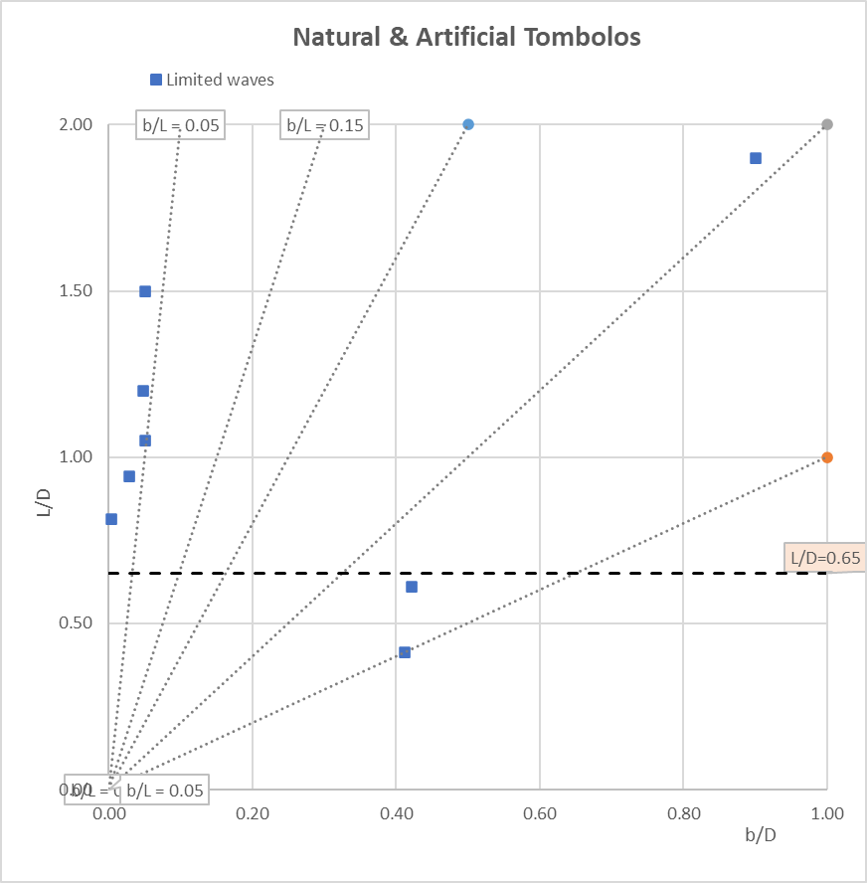
 | Suh & Dalrymple (1987) scale model tests & some field data

 | Rosen (1982, fig 8) for a single detached breakwater:
 | Tombolo x/D = 0.33 L/D (x is clean distance along inner side of BW)

 | Dean (1973) & Dalrymple (1976)
 | "Dean Nb": Ho/Vf T (Ho, T of waves, Vf is fall velocity of sediment)

Natural & Artificial Tombolos & Salients
 | Spain E & Baleares |  | France S |  | Italy W |  | Turkey W & Crete N |  | Levant |  | L/D=0.65 |  | N Africa |  | Pacific
0.07 | 1.08 | 0.64 | 0.52 | 0.41 | 2.11 | 0.42 | 6.20 | 1.11 | 0.45 | 0 | 0.65 | 0.18 | 3.13 | 0.49 | 2.33
1.14 | 0.25 | 0.41 | 0.61 | 0.43 | 1.67 | 0.06 | 3.64 | 0.41 | 0.76 | 1 | 0.65 | 0.92 | 0.37 | 0.47 | 2.15
0.12 | 1.00 | 0.57 | 0.47 | 0.40 | 0.75 | 0.03 | 0.94 | 0.30 | 1.35 |  |  | 0.91 | 0.32 | 0.62 | 1.20
2.00 | 0.27 | 0.50 | 1.13 | 0.95 | 0.64 | 0.14 | 2.21 | 0.67 | 1.00 |  |  | 3.20 | 0.40 | 0.30 | 1.00
0.35 | 0.85 | 0.22 | 0.69 | 0.54 | 1.08 | 0.00 | 0.65 | 0.30 | 1.00 |  |  | 0.67 | 0.75 | 0.33 | 1.83
0.03 | 1.45 | 0.40 | 1.00 | 0.10 | 1.75 | 0.01 | 1.67 | 0.26 | 1.55 |  |  | 0.81 | 1.55 | 2.05 | 0.34
0.67 | 0.67 | 0.57 | 0.68 | 0.06 | 0.89 | 0.67 | 1.50 |  |  |  |  | 0.60 | 0.71 | 5.50 | 0.09
0.23 | 0.83 | 0.10 | 1.00 | 0.11 | 0.82 | 0.04 | 1.20 |  |  |  |  | 0.41 | 0.84 | 0.33 | 1.50
0.45 | 2.23 | 0.50 | 2.00 | 1.88 | 0.40 | 0.05 | 9.33 |  |  |  |  | 0.25 | 1.14 | 0.13 | 6.00
0.53 | 1.78 | 0.18 | 1.46 | 1.15 | 0.50 | 0.69 | 0.61 |  |  |  |  | 0.20 | 0.88 | 0.58 | 2.11
0.53 | 1.00 | 0.17 | 0.86 |  |  | 0.00 | 0.81 |  |  |  |  | 0.48 | 0.67 | 0.33 | 1.00
0.75 | 0.89 |  |  |  |  | 0.08 | 3.75 |  |  |  |  |  |  | 1.83 | 0.33
0.49 | 1.58 |  |  |  |  | 0.07 | 1.71 |  |  |  |  |  |  | 0.02 | 0.40
0.24 | 1.37 |  |  |  |  | 0.33 | 1.43 |  |  |  |  |  |  | 0.52 | 0.72
3.47 | 0.33 |  |  |  |  | 0.45 | 0.55 |  |  |  |  |  |  | 1.50 | 0.38
1.05 | 0.44 |  |  |  |  | 0.76 | 6.75 |  |  |  |  |  |  | 0.13 | 1.88
0.59 | 0.82 |  |  |  |  | 0.06 | 1.22 |  |  |  |  |  |  | 0.06 | 1.14
0.25 | 0.87 |  |  |  |  | 0.48 | 0.63 |  |  |  |  |  |  | 0.13 | 1.06
0.13 | 0.88 |  |  |  |  |  |  |  |  |  |  |  |  | 0.03 | 0.53
0.07 | 1.17 |  |  |  |  |  |  |  |  |  |  |  |  | 0.02 | 1.25
 |  |  |  |  |  |  |  |  |  |  |  |  |  | 0.13 | 2.17
 |  |  |  |  |  |  |  |  |  |  |  |  |  | 1.00 | 0.72
 |  |  |  |  |  |  |  |  |  |  |  |  |  | 1.11 | 0.50
 |  |  |  |  |  |  |  |  |  |  |  |  |  | 0.57 | 0.41
 |  |  |  |  |  |  |  |  |  |  |  |  |  | 0.40 | 1.40
 |  |  |  |  |  |  |  |  |  |  |  |  |  | 0.03 | 0.62
 |  |  |  |  |  |  |  |  |  |  |  |  |  | 0.41 | 1.83
 |  |  |  |  |  |  |  |  |  |  |  |  |  | 0.13 | 0.80
 |  |  |  |  |  |  |  |  |  |  |  |  |  | 1.45 | 0.87
 |  |  |  |  |  |  |  |  |  |  |  |  |  | 0.35 | 1.00
 |  |  |  |  |  |  |  |  |  |  |  |  |  | 0.26 | 1.90

 |  |  |  |  |  |  | Perhaps, a finer parameter, taking wave and sediment into account should be used,
 |  |  |  |  |  |  | e.g. the "Dean Number": De = Ho/Vf T (Ho, T of waves, Vf is fall velocity of sediment).
 |  |  |  |  |  |  | Another parameter might be even better, the "Dalrymple Number": Da = gHo2/Vf3 T
 |  |  |  |  |  |  | (see Komar, 1998, p 310)

 |  |  |  |  |  |  | However, we usually do not have the value of these parameters on site,
 |  |  |  |  |  |  | and all we can do is check if specific areas would have any effect on data scattering,
 |  |  |  |  |  |  | but no grouping of data was found there either …

 |  |  |  |  |  |  | It looks like L and b are just INDEPENDENT
 |  |  |  |  |  |  | just like the height of a mountain has little to do with its basal width, or with local wind conditions ….

 |  |  |  |  |  |  | Frustrating!

Gauss
 | Gauss curve
 | moyenne: | sigma: |  | NB: la courbe littorale est en spirale logarithmique
 | 0 | 1 |  |  | mais pour le salient, on a pris une courbe de Gauss (plus facile)
 | Moy + X | Moy - X | Pr
 | 0.00 | 0.00 | 0.3989
 | 0.05 | -0.05 | 0.3984
 | 0.10 | -0.10 | 0.3970
 | 0.15 | -0.15 | 0.3945
 | 0.20 | -0.20 | 0.3910
 | 0.25 | -0.25 | 0.3867
 | 0.30 | -0.30 | 0.3814
 | 0.35 | -0.35 | 0.3752
 | 0.40 | -0.40 | 0.3683
 | 0.45 | -0.45 | 0.3605
 | 0.50 | -0.50 | 0.3521
 | 0.55 | -0.55 | 0.3429
 | 0.60 | -0.60 | 0.3332
 | 0.65 | -0.65 | 0.3230
 | 0.70 | -0.70 | 0.3123
 | 0.75 | -0.75 | 0.3011
 | 0.80 | -0.80 | 0.2897
 | 0.85 | -0.85 | 0.2780
 | 0.90 | -0.90 | 0.2661
 | 0.95 | -0.95 | 0.2541
 | 1.00 | -1.00 | 0.2420
 | 1.05 | -1.05 | 0.2299
 | 1.10 | -1.10 | 0.2179
 | 1.15 | -1.15 | 0.2059
 | 1.20 | -1.20 | 0.1942
 | 1.25 | -1.25 | 0.1826
 | 1.30 | -1.30 | 0.1714
 | 1.35 | -1.35 | 0.1604
 | 1.40 | -1.40 | 0.1497
 | 1.45 | -1.45 | 0.1394
 | 1.50 | -1.50 | 0.1295
 | 1.55 | -1.55 | 0.1200
 | 1.60 | -1.60 | 0.1109
 | 1.65 | -1.65 | 0.1023
 | 1.70 | -1.70 | 0.0940
 | 1.75 | -1.75 | 0.0863
 | 1.80 | -1.80 | 0.0790
 | 1.85 | -1.85 | 0.0721
 | 1.90 | -1.90 | 0.0656
 | 1.95 | -1.95 | 0.0596
 | 2.00 | -2.00 | 0.0540
 | 2.05 | -2.05 | 0.0488
 | 2.10 | -2.10 | 0.0440
 | 2.15 | -2.15 | 0.0396
 | 2.20 | -2.20 | 0.0355
 | 2.25 | -2.25 | 0.0317
 | 2.30 | -2.30 | 0.0283
 | 2.35 | -2.35 | 0.0252
 | 2.40 | -2.40 | 0.0224
 | 2.45 | -2.45 | 0.0198
 | 2.50 | -2.50 | 0.0175
 | 2.55 | -2.55 | 0.0154
 | 2.60 | -2.60 | 0.0136
 | 2.65 | -2.65 | 0.0119
 | 2.70 | -2.70 | 0.0104
 | 2.75 | -2.75 | 0.0091
 | 2.80 | -2.80 | 0.0079
 | 2.85 | -2.85 | 0.0069
 | 2.90 | -2.90 | 0.0060
 | 2.95 | -2.95 | 0.0051
 | 3.00 | -3.00 | 0.0044
 | 3.05 | -3.05 | 0.0038
 | 3.10 | -3.10 | 0.0033
 | 3.15 | -3.15 | 0.0028
 | 3.20 | -3.20 | 0.0024
 | 3.25 | -3.25 | 0.0020
 | 3.30 | -3.30 | 0.0017
 | 3.35 | -3.35 | 0.0015
 | 3.40 | -3.40 | 0.0012
 | 3.45 | -3.45 | 0.0010
 | 3.50 | -3.50 | 0.0009
 | 3.55 | -3.55 | 0.0007
 | 3.60 | -3.60 | 0.0006
 | 3.65 | -3.65 | 0.0005
 | 3.70 | -3.70 | 0.0004
 | 3.75 | -3.75 | 0.0004
 | 3.80 | -3.80 | 0.0003
 | 3.85 | -3.85 | 0.0002
 | 3.90 | -3.90 | 0.0002
 | 3.95 | -3.95 | 0.0002
 | 4.00 | -4.00 | 0.0001

 | Logarithmic spiral
 |  | a | m
Tetha |  | 5.00 | 0.10
degrés | radians | X | Y
0.00 | 0.00 | 5.00 | 0.00
1.00 | 0.02 | 5.01 | 0.09
2.00 | 0.03 | 5.01 | 0.18
3.00 | 0.05 | 5.02 | 0.26
4.00 | 0.07 | 5.02 | 0.35
5.00 | 0.09 | 5.02 | 0.44
6.00 | 0.10 | 5.02 | 0.53
7.00 | 0.12 | 5.02 | 0.62
8.00 | 0.14 | 5.02 | 0.71
9.00 | 0.16 | 5.02 | 0.79
10.00 | 0.17 | 5.01 | 0.88
11.00 | 0.19 | 5.00 | 0.97
12.00 | 0.21 | 4.99 | 1.06
13.00 | 0.23 | 4.98 | 1.15
14.00 | 0.24 | 4.97 | 1.24
15.00 | 0.26 | 4.96 | 1.33
16.00 | 0.28 | 4.94 | 1.42
17.00 | 0.30 | 4.93 | 1.51
18.00 | 0.31 | 4.91 | 1.59
19.00 | 0.33 | 4.89 | 1.68
20.00 | 0.35 | 4.87 | 1.77
21.00 | 0.37 | 4.84 | 1.86
22.00 | 0.38 | 4.82 | 1.95
23.00 | 0.40 | 4.79 | 2.03
24.00 | 0.42 | 4.76 | 2.12
25.00 | 0.44 | 4.73 | 2.21
26.00 | 0.45 | 4.70 | 2.29
27.00 | 0.47 | 4.67 | 2.38
28.00 | 0.49 | 4.64 | 2.46
29.00 | 0.51 | 4.60 | 2.55
30.00 | 0.52 | 4.56 | 2.63
31.00 | 0.54 | 4.52 | 2.72
32.00 | 0.56 | 4.48 | 2.80
33.00 | 0.58 | 4.44 | 2.88
34.00 | 0.59 | 4.40 | 2.97
35.00 | 0.61 | 4.35 | 3.05
36.00 | 0.63 | 4.31 | 3.13
37.00 | 0.65 | 4.26 | 3.21
38.00 | 0.66 | 4.21 | 3.29
39.00 | 0.68 | 4.16 | 3.37
40.00 | 0.70 | 4.11 | 3.45
41.00 | 0.72 | 4.05 | 3.52
42.00 | 0.73 | 4.00 | 3.60
43.00 | 0.75 | 3.94 | 3.68
44.00 | 0.77 | 3.88 | 3.75
45.00 | 0.79 | 3.82 | 3.82
46.00 | 0.80 | 3.76 | 3.90
47.00 | 0.82 | 3.70 | 3.97
48.00 | 0.84 | 3.64 | 4.04
49.00 | 0.86 | 3.57 | 4.11
50.00 | 0.87 | 3.51 | 4.18
51.00 | 0.89 | 3.44 | 4.25
52.00 | 0.91 | 3.37 | 4.31
53.00 | 0.93 | 3.30 | 4.38
54.00 | 0.94 | 3.23 | 4.44
55.00 | 0.96 | 3.16 | 4.51
56.00 | 0.98 | 3.08 | 4.57
57.00 | 0.99 | 3.01 | 4.63
58.00 | 1.01 | 2.93 | 4.69
59.00 | 1.03 | 2.85 | 4.75
60.00 | 1.05 | 2.78 | 4.81
61.00 | 1.06 | 2.70 | 4.86
62.00 | 1.08 | 2.62 | 4.92
63.00 | 1.10 | 2.53 | 4.97
64.00 | 1.12 | 2.45 | 5.03
65.00 | 1.13 | 2.37 | 5.08
66.00 | 1.15 | 2.28 | 5.13
67.00 | 1.17 | 2.20 | 5.17
68.00 | 1.19 | 2.11 | 5.22
69.00 | 1.20 | 2.02 | 5.27
70.00 | 1.22 | 1.93 | 5.31
71.00 | 1.24 | 1.84 | 5.35
72.00 | 1.26 | 1.75 | 5.39
73.00 | 1.27 | 1.66 | 5.43
74.00 | 1.29 | 1.57 | 5.47
75.00 | 1.31 | 1.48 | 5.51
76.00 | 1.33 | 1.38 | 5.54
77.00 | 1.34 | 1.29 | 5.57
78.00 | 1.36 | 1.19 | 5.60
79.00 | 1.38 | 1.10 | 5.63
80.00 | 1.40 | 1.00 | 5.66
81.00 | 1.41 | 0.90 | 5.69
82.00 | 1.43 | 0.80 | 5.71
83.00 | 1.45 | 0.70 | 5.74
84.00 | 1.47 | 0.61 | 5.76
85.00 | 1.48 | 0.51 | 5.78
86.00 | 1.50 | 0.41 | 5.80
87.00 | 1.52 | 0.30 | 5.81
88.00 | 1.54 | 0.20 | 5.83
89.00 | 1.55 | 0.10 | 5.84
90.00 | 1.57 | 0.00 | 5.85

Salient formula
x (d/b) | y (L/D) | y |  |  | x | y=0.5X-0.1X2 | y=0.6X-0.12X2 | y=0.43 X puiss 2/3
0 | 0 | 0 |  |  | 0 | 0 | 0 | 0
0.5 | 0.2 | 0.3 |  |  | 0.1 | 0.049 | 0.0586 | 0.09407374983
1 | 0.4 | 0.5 |  |  | 0.2 | 0.096 | 0.1144 | 0.14864429745
2 | 0.6 | 0.7 |  |  | 0.3 | 0.141 | 0.1674 | 0.19425333503
 |  |  |  |  | 0.4 | 0.184 | 0.2176 | 0.23487027152
 |  |  |  |  | 0.5 | 0.225 | 0.265 | 0.2721376677
 |  |  |  |  | 0.6 | 0.264 | 0.3096 | 0.30693631928
 |  |  |  |  | 0.7 | 0.301 | 0.3514 | 0.33980765797
 |  |  |  |  | 0.8 | 0.336 | 0.3904 | 0.37111443487
 |  |  |  |  | 0.9 | 0.369 | 0.4266 | 0.40111463864
 |  |  |  |  | 1 | 0.4 | 0.46 | 0.43
 |  |  |  |  | 1.1 | 0.429 | 0.4906 | 0.45791790776
 |  |  |  |  | 1.2 | 0.456 | 0.5184 | 0.48498474468
 |  |  |  |  | 1.3 | 0.481 | 0.5434 | 0.51129443767
 |  |  |  |  | 1.4 | 0.504 | 0.5656 | 0.53692417577
 |  |  |  |  | 1.5 | 0.525 | 0.585 | 0.56193836892
 |  |  |  |  | 1.6 | 0.544 | 0.6016 | 0.58639146995
 |  |  |  |  | 1.7 | 0.561 | 0.6154 | 0.61033003655
 |  |  |  |  | 1.8 | 0.576 | 0.6264 | 0.63379427064
 |  |  |  |  | 1.9 | 0.589 | 0.6346 | 0.65681918897
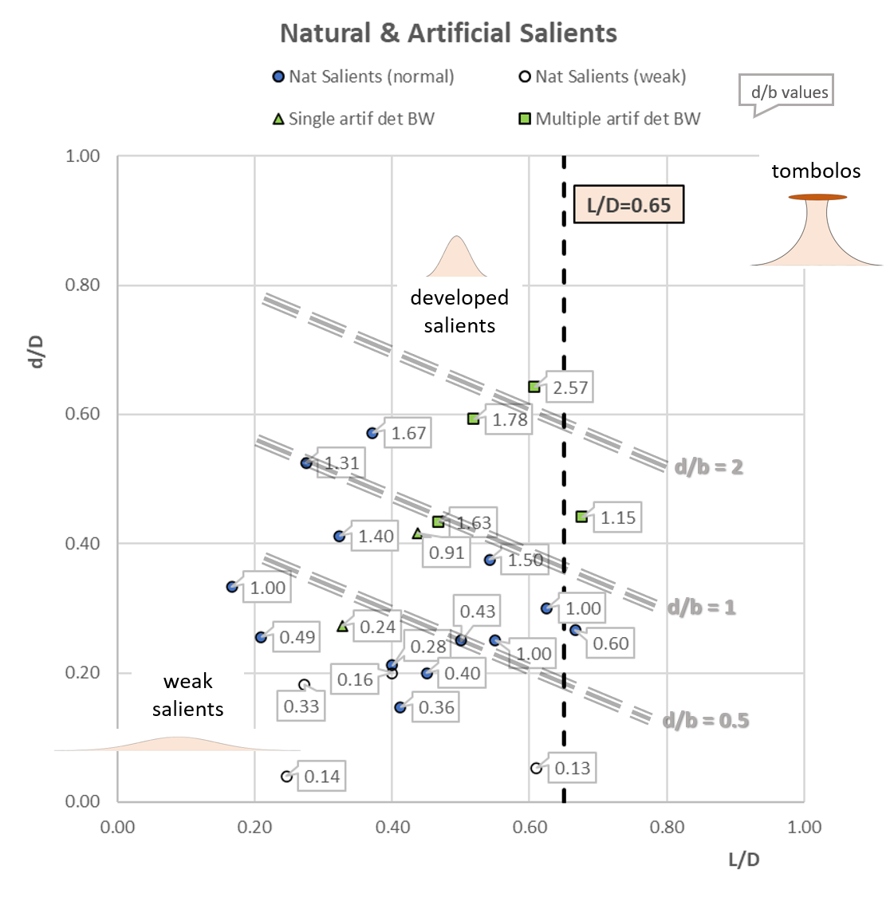
 |  |  |  |  | 2 | 0.6 | 0.64 | 0.6794355282

 |  |  |  | d/D = 0.25 - 0.4*L/D + (d/b)puiss 2/3

 |  |  | d/b | 0.5 | 1 | 2
 |  |  | L/D | d/D | d/D | d/D
 |  |  | 0 | 0.50 | 0.65 | 0.88
 |  |  | 0.2 | 0.42 | 0.57 | 0.80
 |  |  | 0.4 | 0.34 | 0.49 | 0.72
 |  |  | 0.6 | 0.26 | 0.41 | 0.64
 |  |  | 0.8 | 0.18 | 0.33 | 0.56

 |  |  | Cette formule a peu d'intérêt car elle se réfère à des éléments implicites d et b dans d/b

 |  |  | Un bonne formule serait une fonction de L/D et d'un autre élément extérieur (houle, etc)

