Maps
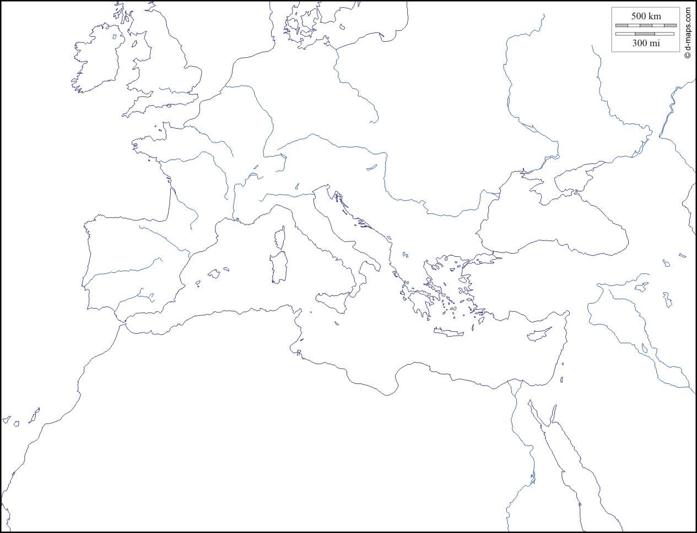
 | References |  | PAH
Brest |  | -8.255077 | 43.476774
Gibraltar |  | -9.172238 | 43.132356
Kertch |  | -8.844113 | 42.487487
Tunis |  | -8.63775 | 42.303984
Istambul |  | -9.107602 | 38.644219
Trieste |  | -8.1207 | 37.080139
Berenike |  | -7.812116 | 37.033446
Alexandrie |  | -7.649504 | 37.12661
Bab |  | -7.327774 | 37.206216
Pula |  | -7.125718 | 37.214239
Split |  | -6.206802 | 36.397146
Dubrovnik |  | -0.791534 | 37.714517
 |  | 2.587282 | 39.531926
 |  | 2.468253 | 39.510636
 |  | 2.693481 | 39.796642
 |  | 3.336989 | 39.54052
 |  | 3.265063 | 39.419308
 |  | 3.224449 | 39.369239
 |  | 3.212041 | 39.356874
 |  | 2.933627 | 39.148226
 |  | 2.83432 | 39.362034
 |  | 3.883019 | 40.054083
 |  | 4.130221 | 40.046405
 |  | 4.199634 | 40.004438
 |  | 4.273486 | 39.953126
 |  | 4.294459 | 39.828192
 |  | 1.222857 | 38.913538
 |  | 1.267691 | 38.967198
 |  | 1.437616 | 39.084369
 |  | 1.518128 | 39.114326
 |  | 1.41405 | 38.730422
 |  | 5.107255 | 43.330747
 |  | 5.781492 | 43.079451
 |  | 5.905755 | 43.08292
 |  | 8.693291 | 42.266501
 |  | 8.225224 | 40.938117
 |  | 9.404022 | 41.212045
 |  | 9.470911 | 41.125616
 |  | 9.495848 | 41.13583
 |  | 9.53626 | 41.133359
 |  | 9.523114 | 41.016495
 |  | 9.546367 | 41.029277
 |  | 10.314434 | 42.80632
 |  | 15.186556 | 37.282776
 |  | 14.364465 | 35.974829
 |  | 14.488961 | 35.926135
 |  | 14.494795 | 35.896406
 |  | 14.323565 | 36.012741
 |  | 13.591979 | 45.203877
 |  | 13.845192 | 44.844993
...

 | References
 | Lat | Long
Brest | 48.39 | -4.49
Gibraltar | 36.14 | -5.35
Kertch | 45.36 | 36.47
Tunis | 36.74 | 10.36
Istambul | 41 | 29
Trieste | 45.62 | 13.73
Berenike | 23.93 | 35.52 | xx ?
Alexandrie | 32.2 | 29.88 | x ?
Bab | 12.71 | 43.48
Pula | 44.86 | 13.85
Split | 43.5 | 16.43
Dubrovnik | 42.64 | 18.09

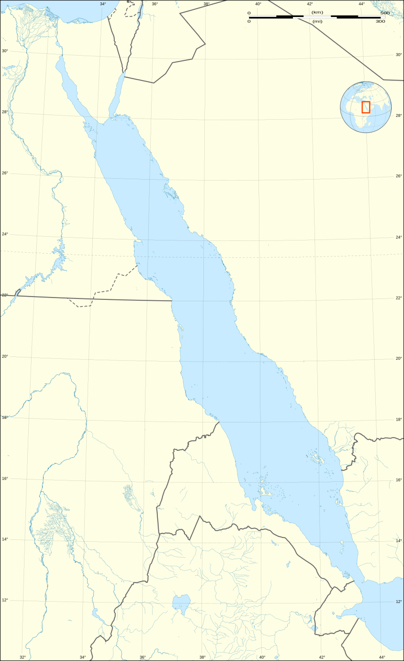
 | Red Sea PAH
32.635191 | 29.05451
33.893634 | 27.929551
33.583485 | 27.834312
33.782013 | 27.560379
33.941979 | 27.492607
33.685645 | 27.378552
33.83795 | 27.180781
33.893311 | 27.041819
33.978515 | 26.845446
33.956372 | 26.740028
34.808958 | 25.205046
34.892589 | 25.077653
34.936523 | 24.961718
34.990386 | 24.894344
35.115423 | 24.609434
35.493572 | 23.478978
35.668514 | 22.956168
35.777153 | 22.842591
36.260299 | 22.607727
36.30929 | 22.497571
36.651959 | 22.225003
36.859422 | 21.834019
36.865975 | 21.79016
36.871819 | 21.759722
36.886603 | 21.686785
36.895915 | 21.643104
36.919704 | 21.595219
36.954236 | 21.489421
36.987013 | 21.401862
37.010724 | 21.349183
37.199426 | 20.450287
37.198738 | 20.233286
37.185976 | 20.035033
37.238526 | 19.661469
37.227475 | 19.609159
37.328189 | 19.289287
37.415795 | 18.875373
40.153202 | 16.538714
39.965538 | 15.77366
39.811446 | 15.264342
39.889168 | 15.485589
40.110639 | 15.106029
41.907061 | 13.864934
42.526752 | 13.214607
43.294719 | 11.966177
42.523545 | 11.532763
45.859682 | 10.819656
34.499527 | 28.475123
34.291968 | 27.859351
35.520983 | 27.621703
...

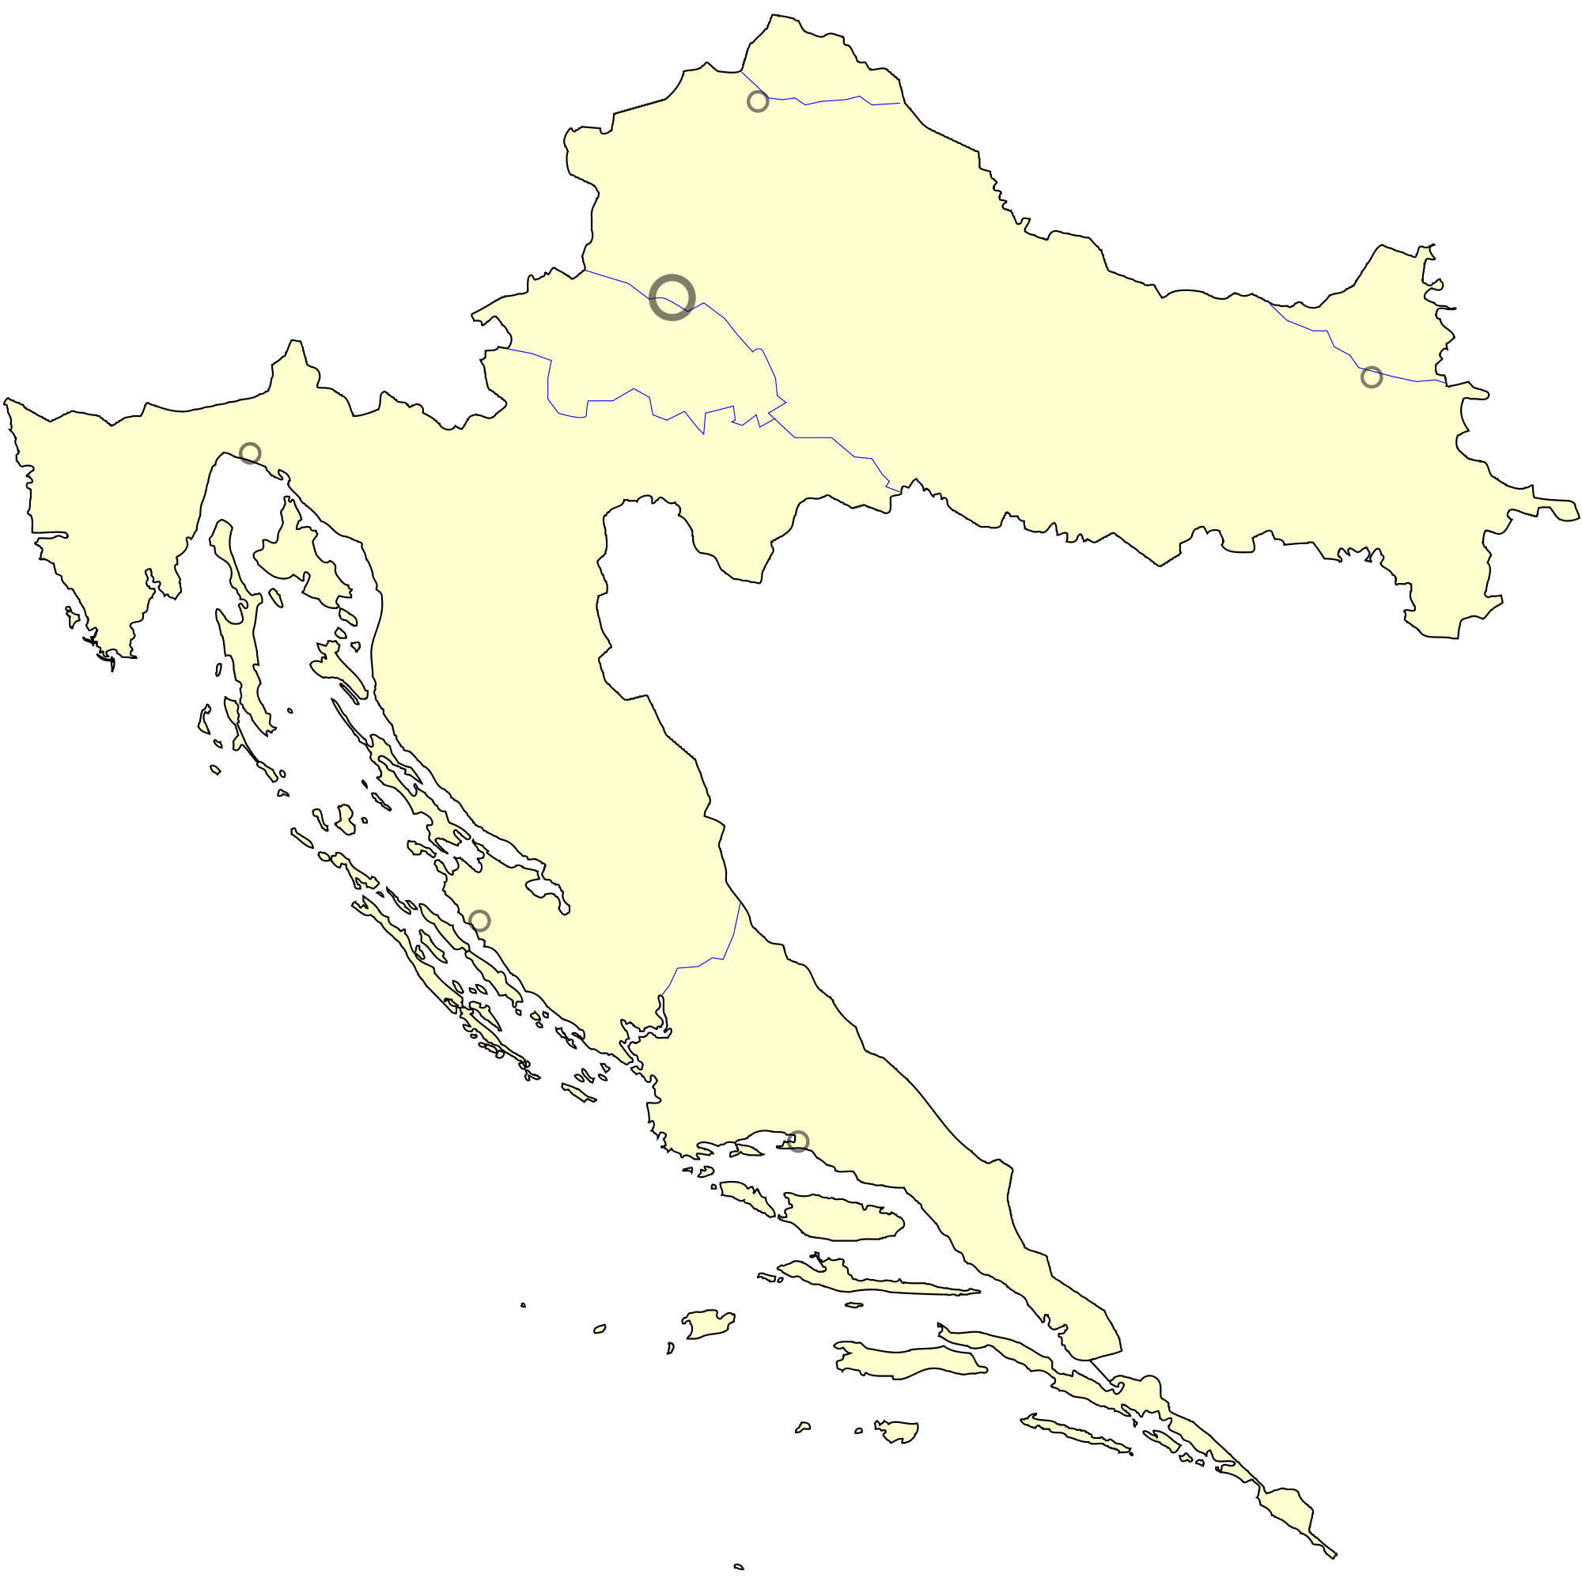
 | PAH Croatia
13.591979 | 45.203877
13.845192 | 44.844993
13.857928 | 44.830066
14.097678 | 44.971613
14.566458 | 45.272957
14.614357 | 45.225854
14.608581 | 45.15599
14.672386 | 45.078
14.80013 | 44.990571
14.619498 | 45.029639
14.503273 | 44.641311
14.495218 | 44.500672
14.955109 | 44.469908
15.18564 | 44.443888
15.210407 | 44.282389
14.79917 | 44.259644
14.866483 | 44.141501
15.188513 | 44.082639
15.24751 | 44.033868
15.076808 | 44.059953
15.142861 | 43.91781
15.360994 | 43.924342
15.307966 | 44.04431
15.365405 | 43.75193
15.572466 | 43.860591
15.60459 | 43.821538
15.64349 | 43.784346
15.857736 | 43.80763
15.846667 | 43.823954
15.886719 | 43.818403
15.797362 | 43.723682
15.945718 | 43.675937
15.957561 | 43.636672
15.940943 | 43.569867
15.964579 | 43.530629
16.144206 | 43.450196
16.797672 | 43.33928
16.885881 | 43.307747
16.447885 | 43.326169
16.461513 | 43.352859
16.427861 | 43.190299
16.553908 | 43.214574
17.432728 | 43.051272
17.481396 | 43.001627
17.704852 | 42.847606
17.027106 | 43.029569
16.71424 | 42.966498
17.043988 | 42.975959
16.887478 | 42.734814
16.824639 | 42.767664
...

