Map (3)
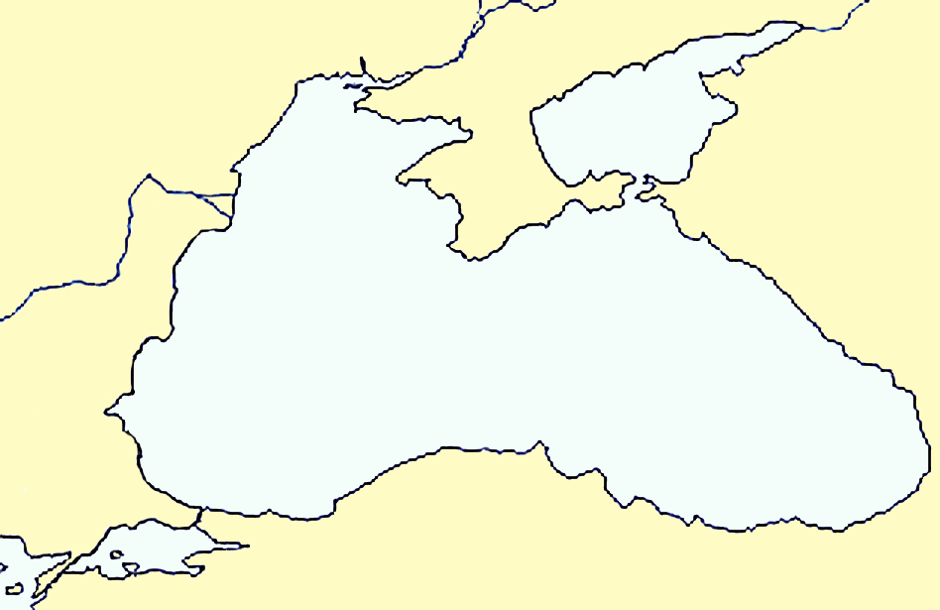
 | References |  | Ports
29 | 41 | 29.11443 | 41.23498
36.47 | 45.36 | 28.692336 | 41.348057
41.63 | 41.63 | 28.3012 | 41.4871
 |  | 28.0948 | 41.635
 |  | 27.982 | 41.8658
 |  | 27.951729 | 42.099143
 |  | 27.777205 | 42.224906
 |  | 27.780019 | 42.232857
 |  | 27.755799 | 42.262705
 |  | 27.792529 | 42.321527
 |  | 27.754538 | 42.328197
 |  | 27.692383 | 42.424361
 |  | 27.573028 | 42.448579
 |  | 27.533746 | 42.449138
 |  | 27.449732 | 42.414687
 |  | 27.2937 | 42.3865
 |  | 27.2807 | 42.3882
 |  | 27.367 | 42.42775
 |  | 27.3804 | 42.45694
 |  | 27.4396 | 42.48245
 |  | 27.4784 | 42.5111
 |  | 27.493903 | 42.556161
 |  | 27.5812 | 42.5666
 |  | 27.638 | 42.553
 |  | 27.727654 | 42.658426
 |  | 27.904284 | 42.689078
 |  | 27.8858 | 42.8273
 |  | 27.901 | 42.855
 |  | 27.9045 | 42.9644
 |  | 27.893 | 43.037
 |  | 27.942562 | 43.170592
 |  | 27.919003 | 43.174293
 |  | 27.91362 | 43.19825
 |  | 28.0029 | 43.21976
 |  | 28.084006 | 43.354056
 |  | 28.164406 | 43.403915
 |  | 28.354 | 43.407
 |  | 28.4658 | 43.364
 |  | 28.517872 | 43.413042
 |  | 28.550458 | 43.438001
 |  | 28.610005 | 43.538305
 |  | 28.583472 | 43.811929
 |  | 28.535589 | 43.803562
 |  | 28.410275 | 43.796961
 |  | 28.662766 | 44.172187
 |  | 28.63506 | 44.19333
 |  | 28.59833 | 44.22691
 |  | 28.5717 | 44.2565
 |  | 28.7 | 44.344
 |  | 28.09031 | 44.493695
...
Istanbul
Odessa
R. Danube
CRIMEA
Kerch
R. Dniepr
Batumi
Sinop
Samsun
Trabzon
Varna
Burgas
Novorossiysk
Sebastopol
Eregli
Constantza
BLACK SEA
AZOV SEA
R. Don
Sotchi
Çanakkale
MARMARA SEA

 |  | References
 |  | Lat | Long

 | Istambul | 41 | 29
 | Kertch | 45.36 | 36.47
 | Batoumi | 41.63 | 41.63

 | Marmara+Bosph: |  | 0
 | Black Sea+Azov: |  | 388
 | Total Nb: |  | 388 | dont 165 "a"

NB: quand ça donne une ligne +/- horizontale, c'est qu'il y a un pb de format des lat et long qui ne sont pas tous au format 'nombre'
Refaire une copie des colonnes et revoir les cases avec un coin vert puis convertir en nombre

Map (2)
 | References |  | Ports
29 | 41 | 28.692336 | 41.348057
36.47 | 45.36 | 28.3012 | 41.4871
41.63 | 41.63 | 28.0986 | 41.631992
 |  | 28.026 | 41.8875
 |  | 27.951729 | 42.099143
 |  | 27.777205 | 42.224906
 |  | 27.780019 | 42.232857
 |  | 27.755799 | 42.262705
 |  | 27.792529 | 42.321527
 |  | 27.754538 | 42.328197
 |  | 27.692383 | 42.424361
 |  | 27.573028 | 42.448579
 |  | 27.533746 | 42.449138
 |  | 27.449732 | 42.414687
 |  | 27.322793 | 42.38194
 |  | 27.2837 | 42.3873
 |  | 27.335246 | 42.422256
 |  | 27.449466 | 42.473929
 |  | 27.493903 | 42.556161
 |  | 27.638 | 42.553
 |  | 27.727654 | 42.658426
 |  | 27.904284 | 42.689078
 |  | 27.890664 | 42.82232
 |  | 27.9045 | 42.9644
 |  | 27.893 | 43.037
 |  | 27.942562 | 43.170592
 |  | 27.919003 | 43.174293
 |  | 27.91362 | 43.19825
 |  | 28.0029 | 43.21976
 |  | 28.084006 | 43.354056
 |  | 28.164406 | 43.403915
 |  | 28.344595 | 43.405532
 |  | 28.4658 | 43.364
 |  | 28.517872 | 43.413042
 |  | 28.550458 | 43.438001
 |  | 28.610005 | 43.538305
 |  | 28.583472 | 43.811929
 |  | 28.535589 | 43.803562
 |  | 28.410275 | 43.796961
 |  | 28.662766 | 44.172187
 |  | 28.63506 | 44.19333
 |  | 28.59833 | 44.22691
 |  | 28.5717 | 44.2565
 |  | 28.09031 | 44.493695
 |  | 27.952134 | 44.681627
 |  | 27.8365 | 44.72711
 |  | 28.139512 | 44.895372
 |  | 28.19972 | 45.11789
 |  | 28.73504 | 44.44896
...

Istanbul
Odessa
R. Danube
Crimea
Kerch
R. Dniepr
Batumi
Sinop
Samsun
Trabzon
Varna
Burgas
Novorossiysk
Sebastopol
Eregli
Constantza
BLACK SEA
AZOV SEA
R. Don
Sotchi
Çanakkale
MARMARA SEA
 | References
 | Lat | Long

Istambul | 41 | 29
Kertch | 45.36 | 36.47
Batoumi | 41.63 | 41.63

Marmara+Bosph: |  | 0
Black Sea+Azov: |  | 366 | soit 85 nouveaux ports
Total Nb: |  | 366 | dont 163 "a"

Map
 | References |  | Ports
29 | 41 | 26.031697 | 40.70709
36.47 | 45.36 | 26.034148 | 40.698253
41.63 | 41.63 | 26.775883 | 40.634661
 |  | 26.812547 | 40.620107
 |  | 26.826738 | 40.585334
 |  | 26.753546 | 40.551552
 |  | 26.687336 | 40.510926
 |  | 26.637445 | 40.509323
 |  | 26.328235 | 40.367735
 |  | 26.235822 | 40.293962
 |  | 25.889695 | 40.238758
 |  | 26.272296 | 40.213135
 |  | 26.211569 | 40.048871
 |  | 26.381764 | 40.152048
 |  | 26.365305 | 40.182081
 |  | 26.36253 | 40.200159
 |  | 26.430652 | 40.227442
 |  | 26.599782 | 40.326605
 |  | 26.632606 | 40.36042
 |  | 26.645759 | 40.398533
 |  | 26.688386 | 40.410776
 |  | 26.777734 | 40.480284
 |  | 26.901169 | 40.532766
 |  | 27.110716 | 40.604283
 |  | 27.18777 | 40.634122
 |  | 27.250049 | 40.666361
 |  | 27.338415 | 40.750093
 |  | 27.474058 | 40.902143
 |  | 27.518727 | 40.965959
 |  | 27.562311 | 40.977978
 |  | 27.640044 | 40.990336
 |  | 27.739357 | 41.008387
 |  | 27.970143 | 40.974017
 |  | 28.000019 | 41.016316
 |  | 28.230348 | 41.07058
 |  | 28.412015 | 41.038568
 |  | 28.579633 | 41.00751
 |  | 28.766643 | 40.974858
 |  | 28.736202 | 41.034128
 |  | 28.885613 | 40.973634
 |  | 28.9079133 | 40.9828435
 |  | 28.958939 | 40.988729
 |  | 28.951804 | 41.0058
 |  | 28.964694 | 41.001491
 |  | 28.971333 | 41.000706
 |  | 28.974338 | 41.000393
 |  | 28.97943 | 41.0181
 |  | 28.974672 | 41.018412
 |  | 28.989457 | 41.027366
 |  | 28.999186 | 41.035059
...

Istanbul
Odessa
R. Danube
Crimea
Kerch
R. Dniepr
Batumi
Sinop
Samsun
Trabzon
Varna
Burgas
Novorossiysk
Sebastopol
Eregli
Constantza
BLACK SEA
AZOV SEA
R. Don
Sotchi
Çanakkale
MARMARA SEA
 | References
 | Lat | Long

Istambul | 41 | 29
Kertch | 45.36 | 36.47
Batoumi | 41.63 | 41.63

Marmara+Bosph: |  | 151
Black Sea+Azov: |  | 281
Total Nb: |  | 432

 | Ports
26.031697 | 40.70709
26.034148 | 40.698253
26.775883 | 40.634661
26.812547 | 40.620107
26.826738 | 40.585334
26.753546 | 40.551552
26.687336 | 40.510926
26.637445 | 40.509323
26.328235 | 40.367735
26.235822 | 40.293962
25.889695 | 40.238758
26.272296 | 40.213135
26.211569 | 40.048871
26.381764 | 40.152048
26.365305 | 40.182081
26.36253 | 40.200159
26.430652 | 40.227442
26.599782 | 40.326605
26.632606 | 40.36042
26.645759 | 40.398533
26.688386 | 40.410776
26.777734 | 40.480284
26.901169 | 40.532766
27.110716 | 40.604283
27.18777 | 40.634122
27.250049 | 40.666361
27.338415 | 40.750093
27.474058 | 40.902143
27.518727 | 40.965959
27.562311 | 40.977978
27.640044 | 40.990336
27.739357 | 41.008387
27.970143 | 40.974017
28.000019 | 41.016316
28.230348 | 41.07058
28.412015 | 41.038568
28.579633 | 41.00751
28.766643 | 40.974858
28.736202 | 41.034128
28.885613 | 40.973634
28.9079133 | 40.9828435
28.958939 | 40.988729
28.951804 | 41.0058
28.964694 | 41.001491
28.971333 | 41.000706
28.974338 | 41.000393
28.97943 | 41.0181
28.974672 | 41.018412
28.989457 | 41.027366
28.999186 | 41.035059
...

